Consol List ESOP Given
 |  |  |  |  |  | Can Convert
 |  | FY2022 | FY2023 | FY2024 | FY2025 | FY2026 | FY2027
 | Total Shares | 30,000,000 | 30,000,000 | 32,432,432 | 32,432,432
20% | Total Cap | 6,000,000 | 6,000,000 | 6,486,486 | 6,486,486 | 0 | 0
 | Yearly Cap | 1,200,000 | 1,200,000 | 1,297,297 | 1,297,297 | 0 | 0

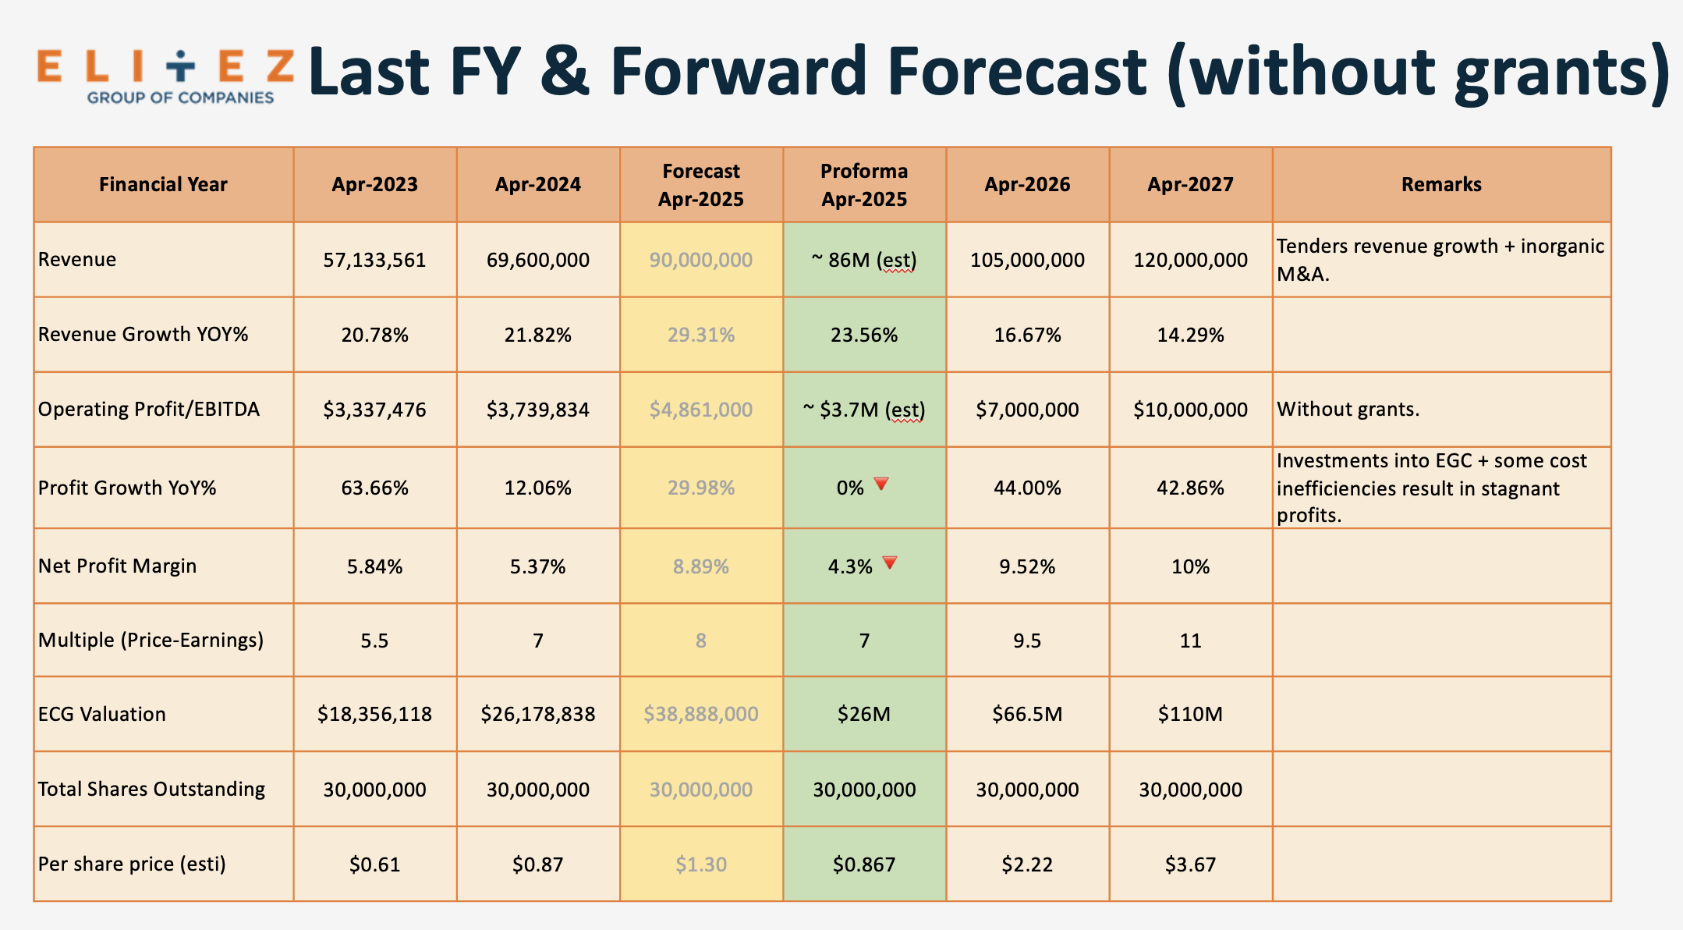
 | Total ESOP Given | 461,000 | 648,649 | 648,649 | 0
 | % to yearly Cap | 38.42% | 50% | 50% | 50%
 |  | FY 2022 | FY 2023 | FY 2024 | FY 2025
 | Total Outstanding Shares |  |  |  |  | 32,432,432
 | Total ESOP given | 366,000 | 0 | 1,200,000 | 535,300 | 2,101,300
 |  |  |  |  |  | 6.48%
Issued Date |  | 15/7/22 |  | 31/7/24 | 8/10/25
Employee Pool | Name | FY 2022 | FY 2023 | FY 2024 | FY 2025 | Total |  | EMAIL
1 | Tok Meiting | 60,000 |  | 71,595 | 40,400 | 171,995 |  | meiting@elitez.asia
2 | Li Qian | 60,000 |  | 71,595 | 40,400 | 171,995 |  | liqian@elitez.asia
3 | Eevann Seah | 35,000 |  | 66,926 | 39,200 | 141,126 |  | eevann.seah@elitez.asia
4 | Wang Jiemin (Jack) | 40,000 |  | 69,261 | 42,700 | 151,961 |  | jack.wang@elitez.asia
5 | Daryl Toh |  |  | 44,358 |  | 44,358
6 | Sharon Lau Jie Joo | 40,000 |  | 66,926 | 9,700 | 116,626 |  | sharon.lau@elitez.asia
7 | Yeoh Ser How | 26,000 |  | 52,140 | 9,700 | 87,840 |  | serhow.yeoh@elitez.asia
8 | Samion Ong
9 | Chan Wai Seng, Nicholas | 25,000 |  | 40,467 | 18,500 | 83,967 |  | nicholas.chan@elitez.asia
10 | Philip Leong
11 | Asmond Soh
12 | Damien Tan Han Kiap | 20,000 |  | 45,914 | 17,100 | 83,014 |  | damien.tan@elitez.asia
13 | Chen Ting | 20,000 |  | 48,249 | 13,700 | 81,949 |  | chenting@elitez.asia
14 | Andy Lim Wen Jie | 20,000 |  | 40,467 | 15,000 | 75,467 |  | andy@elitez.asia
15 | Aiydon Li Yi Xuan | 20,000 |  | 55,253 | 13,700 | 88,953 |  | aiydon@elitez.asia
16 | Wong Siew Hua | 0 |  | 45,914 | 28,700 | 74,614 |  | siewhua.wong@elitez.asia
17 | Kan Siew Weng | 0 |  | 45,914 | 15,000 | 60,914 |  | siewweng.kan@elitez.asia
18 | How Hee Chek (Jaysen) | 0 |  | 36,576 | 15,000 | 51,576 |  | jaysen@dhc.com.sg
19 | Lim Runting | 0 |  | 41,245 | 11,300 | 52,545 |  | runting@dhc.com.sg
20 | Ho Si Cong | 0 |  | 40,467 | 8,200 | 48,667 |  | sicong@dhc.com.sg
21 | Tiong Kai Yuen, Noreen | 0 |  | 29,572 | 7,300 | 36,872 |  | noreen@dhc.com.sg
22 | Tan Hui Qing | 0 |  | 41,245 | 23,300 | 64,545 |  | huiqing@dhc.com.sg
23 | Kenneth Koh | 0 |  | 45,914 | 2,300 | 48,214 |  | kenneth.koh@elitez.asia
24 | Heng Zeng Yang Ian | 0 |  | 63,035 | 18,500 | 81,535 |  | ian.heng@elitez.asia
25 | Tsai Pei-Hua (Penny) | 0 |  | 36,576 | 11,900 | 48,476 |  | penny.tsai@elitez.asia
26 | Jorena Tan Chee Huan | 0 |  | 56,809 | 11,900 | 68,709 |  | jorena.tan@elitez.asia
27 | Melissa Tan Yi Xuan | 0 |  | 43,580 | 11,900 | 55,480 |  | melissa.tan@elitez.asia
28 | Marilyn Choo Lih Cheen (MSIA) | 0 |  | 0 | 35,900 | 35,900 |  | marilyn.choo@elitez.asia
29 | Phua Qiu Ru | 0 |  | 0 | 15,000 | 15,000 |  | qiuru.phua@dhc.com.sg
30 | Neo Xian Yao | 0 |  | 0 | 20,100 | 20,100 |  | sam.neo@elitez.asia
31 | Tan Sheng Yang | 0 |  | 0 | 28,700 | 28,700 |  | shengyang.tan@elitez.asia
32 | Chan Huan Zhang Adrian | 0 |  | 0 | 10,200 | 10,200 |  | adrian.chan@elitez.asia

Table for Factors
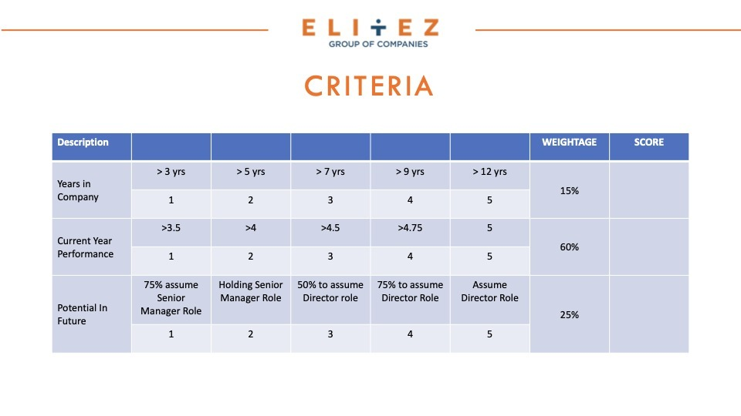

 | Factor 1 | Years in Company
 | Years | Points | Factor 1 | 1,200,000.00 | PER YEAR | SEOP
 | 3 | 1 | Factor 2 | 120000 | Capped as | per pax can get per year
 | 4 | 2
 | 7 | 3
 | 9 | 4
 | 12 | 5

 | Factor 2
 | Years | Points
C+ | 3.5 | 1
B- | 4 | 2
B | 4.5 | 3
B+ | 4.75 | 4
A | 5 | 5

